Sheet1
 |  | Document No. | Issue No. | Issue Date |  | Review and Replace Date |  | Authorised By
 |  | GFF494MC | 1 | 26.03.2025 |  | New issue |  | Magda Shah
 |  | Document Title | 15 Chicken Tikka Samosa Jumbo 1800g

Document amendments reason for change |  | New document | Page 1 of 1 |  | Previous Issue Date |  | New issue | Uncontrolled copy unless signed original

FCSAJ1-B15B | DANORA |  | 15 Chicken Tikka Samosa Jumbo 1800g | FROZEN
STEP 1 |  |  |  |  | STEP 2
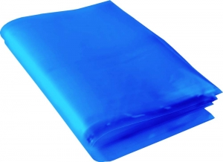 |  |  |  |  | 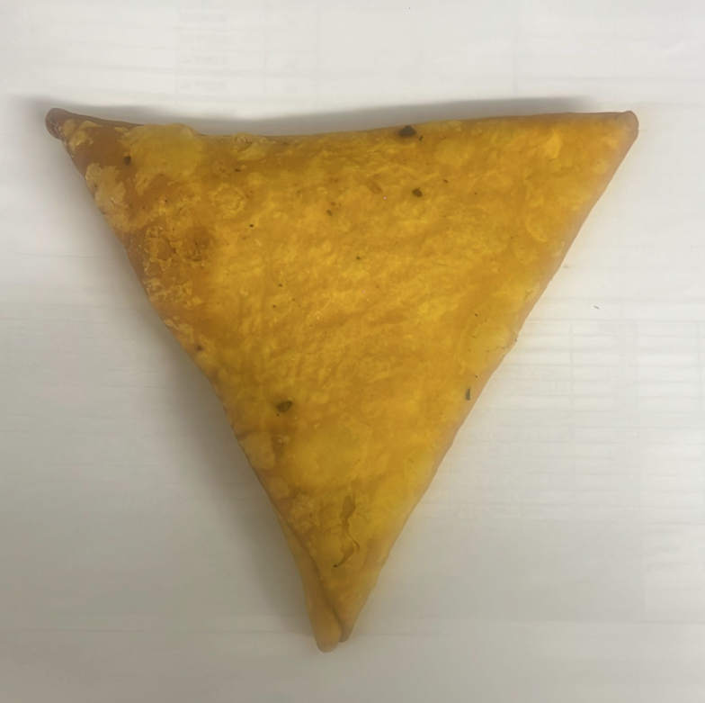

Blue Bag: Blue Tint Bags Plain (FREEZER BAG) (PKPMC001-02) |  |  |  |  | 15 x Danora Chicken Tikka Samosa Jumbo 120g (GFF519R): 1800g

STEP 3
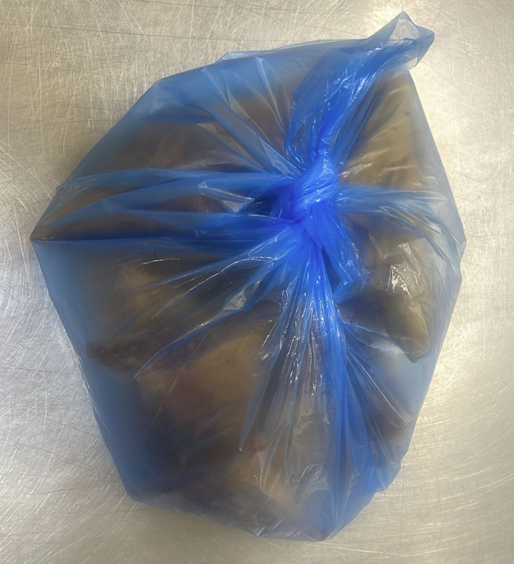

FROZEN
PACK + 1 year

TOTAL WEIGHT: 1800g

ALLERGY ALERT: WHEAT, SOYA

